Table Description
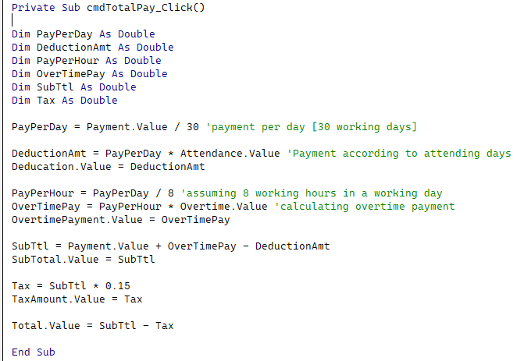
Main Table Name | Description | Field Names | Primary Key / Foreign Key
Attendance | Records the employee attendance | Employee ID | Foreign Key | Calculation for Payment of each Employee
 |  | Current Date
 |  | Mark
 |  | Permission
 |  | Reason

Employee Registration | Records and manages the personal information of new employees | Employee ID | Primary Key
 |  | First Name
 |  | Middle Name
 |  | Last Name
 |  | Date of Birth
 |  | Age
 |  | Gender
 |  | Phone Number
 |  | Email
 |  | Country
 |  | Region/Town
 |  | Address
 |  | Job Type
 |  | Payment
 |  | Photo
 |  | E First Name
 |  | E Last Name
 |  | E Phone Number
 |  | E Email
 |  | E Photo
 |  | Registration Date

Hospital Room | Keeps track of which patient is assigned to which room. | Patient ID | Foreign Key
 |  | Doctor Name
 |  | Floor Number
 |  | Room Number
 |  | Bed Number
 |  | E First Name
 |  | E Last Name
 |  | E Phone Number
 |  | E Signature

Job Application | Keeps track of Job requirement in hospital | Job ID | Primary Key
 |  | Hospital Name
 |  | Field Required
 |  | Job Name
 |  | Payment
 |  | Educational Qualification
 |  | Work Experience
 |  | Day of Examination
 |  | Place of Examination
 |  | Note

Patient Registration | Records the personal information about patient for their treatment | Patient ID | Primary Key
 |  | First Name
 |  | Middle Name
 |  | Last Name
 |  | Date of Birth
 |  | Age
 |  | Gender
 |  | Phone Number
 |  | Email
 |  | Country
 |  | Region
 |  | Address

Payment | Records the payment made to new employee based on number of hours they worked | Employee ID | Foreign Key
 |  | Attendance
 |  | Overtime
 |  | Deducation
 |  | Overtime Payment
 |  | SubTotal
 |  | Tax Amount
 |  | Total

Store | Keeps track of medical equipment purchased | Item ID | Primary Key
 |  | Item Name
 |  | Category
 |  | Price
 |  | Quantity
 |  | Total
 |  | Recorded By
 |  | Date of Addition

